Dashboard
Weather & Currency Prototype — Live Data

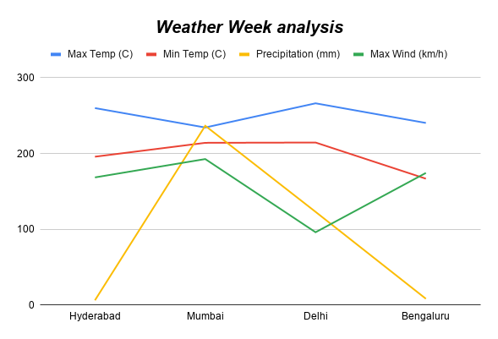
Currency Week Analysis

Currency_week
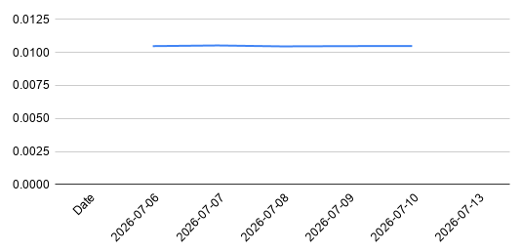
Date | USD | EUR | GBP | JPY | CNY | AUD | SGD | AED | RUB
2026-07-06 | 0.01048 | 0.00918 | 0.00785 | 1.7017 | 0.07123 | 0.01512 | 0.01356
2026-07-07 | 0.01053 | 0.00921 | 0.00787 | 1.7046 | 0.07153 | 0.01515 | 0.0136
2026-07-08 | 0.01046 | 0.00918 | 0.00784 | 1.7003 | 0.07116 | 0.01511 | 0.01354
2026-07-09 | 0.01048 | 0.00917 | 0.00783 | 1.7026 | 0.07124 | 0.01511 | 0.01355
2026-07-10 | 0.01049 | 0.00918 | 0.00781 | 1.6979 | 0.07106 | 0.01509 | 0.01354
2026-07-13 |  |  |  |  |  |  |  | 0.038457 | 0.806881

Weather_day
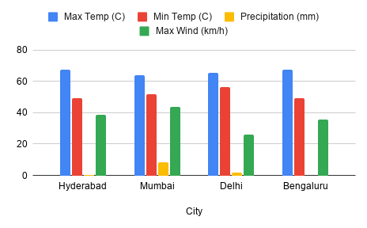
City | Date | Max Temp (C) | Min Temp (C) | Precipitation (mm) | Max Wind (km/h)
Hyderabad | 7/12/2026 | 33.2 | 24.8 | 0 | 20.1
Hyderabad | 7/13/2026 | 34 | 24.4 | 0.2 | 18.3
Mumbai | 7/12/2026 | 33.9 | 24.4 | 7.6 | 23.2
Mumbai | 7/13/2026 | 30 | 27.5 | 1 | 20.3
Delhi | 7/12/2026 | 30.2 | 27.6 | 1.5 | 12.3
Delhi | 7/13/2026 | 35 | 28.7 | 0.1 | 13.7
Bengaluru | 7/12/2026 | 35.8 | 28.4 | 0 | 17.4
Bengaluru | 7/13/2026 | 31.8 | 20.6 | 0 | 18.2

Weather_week
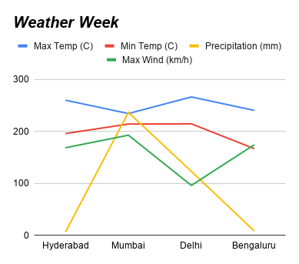
City | Date | Max Temp (C) | Min Temp (C) | Precipitation (mm) | Max Wind (km/h)
Hyderabad | 7/6/2026 | 31.1 | 23.7 | 1.8 | 23.2
Hyderabad | 7/7/2026 | 31.6 | 24.6 | 2.2 | 24.5
Hyderabad | 7/8/2026 | 32.4 | 24.4 | 0.8 | 25.7
Hyderabad | 7/9/2026 | 31.6 | 24.1 | 0.6 | 19.3
Hyderabad | 7/10/2026 | 32.7 | 24.5 | 0 | 18.1
Hyderabad | 7/11/2026 | 33.3 | 25.2 | 0.8 | 19.2
Hyderabad | 7/12/2026 | 33.2 | 24.8 | 0 | 20.1
Hyderabad | 7/13/2026 | 33.9 | 24.4 | 0.2 | 18.3
Mumbai | 7/6/2026 | 27.6 | 26.4 | 131.8 | 34.6
Mumbai | 7/7/2026 | 28.1 | 25.6 | 55.4 | 26.5
Mumbai | 7/8/2026 | 29.2 | 26.2 | 25.9 | 27.8
Mumbai | 7/9/2026 | 29.2 | 26.8 | 4 | 20.7
Mumbai | 7/10/2026 | 30.2 | 26.7 | 3.2 | 18
Mumbai | 7/11/2026 | 29.7 | 27.2 | 7.6 | 21.5
Mumbai | 7/12/2026 | 30 | 27.5 | 7.6 | 23.2
Mumbai | 7/13/2026 | 30.2 | 27.6 | 1 | 20.3
Delhi | 7/6/2026 | 36.7 | 26.8 | 0.5 | 7.3
Delhi | 7/7/2026 | 32.8 | 26.5 | 8.4 | 9.8
Delhi | 7/8/2026 | 29.3 | 26.1 | 11.8 | 10.8
Delhi | 7/9/2026 | 29.2 | 25 | 99.8 | 18.9
Delhi | 7/10/2026 | 33 | 25.5 | 0.6 | 11.5
Delhi | 7/11/2026 | 34.3 | 27.4 | 0.3 | 11.8
Delhi | 7/12/2026 | 35 | 28.7 | 1.5 | 12.3
Delhi | 7/13/2026 | 35.8 | 28.4 | 0.1 | 13.7
Bengaluru | 7/6/2026 | 29.1 | 20.7 | 1.1 | 29.7
Bengaluru | 7/7/2026 | 28.6 | 21.1 | 0.9 | 28.8
Bengaluru | 7/8/2026 | 28.6 | 21.1 | 2.3 | 25.5
Bengaluru | 7/9/2026 | 29.6 | 21.2 | 0.8 | 19.8
Bengaluru | 7/10/2026 | 29.9 | 21.4 | 3.3 | 17.2
Bengaluru | 7/11/2026 | 30.8 | 20.4 | 0 | 17.7
Bengaluru | 7/12/2026 | 31.8 | 20.6 | 0 | 17.4
Bengaluru | 7/13/2026 | 31.8 | 20.2 | 0 | 18.2

